Paver Calculator
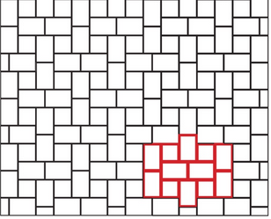
 |  | PAVER PATTERNS
Enter the square feet in the orange box |  | TOTAL LAYERS | ORDER QUANTITY (# PCS) | # OF PALLETS | # OF LAYERS | 2016-09-13
MUSTER K

SQUARE FEET = | 100

# LARGE RECS (C) = | 231 | 8 | 256 | 0 | 8
# SQUARES (B) = | 129 | 3 | 144 | 0 | 3

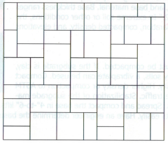
MUSTER M

SQUARE FEET = | 100

# SQUARES (B) = | 190 | 4 | 192 | 0 | 4
# SMALL RECS (A) = | 571 | 6 | 576 | 0 | 6

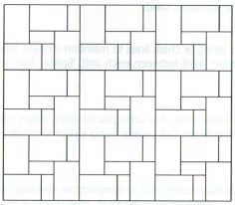
MUSTER N

SQUARE FEET = | 100

# LARGE RECS (C) = | 254 | 8 | 256 | 0 | 8
# SMALL RECS (A) = | 190 | 2 | 192 | 0 | 2

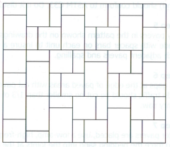
MUSTER W

SQUARE FEET = | 100

# LARGE RECS (C) = | 119 | 4 | 128 | 0 | 4
# SQUARES (B) = | 167 | 4 | 192 | 0 | 4
# SMALL RECS (A) = | 262 | 3 | 288 | 0 | 3

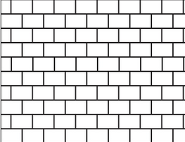
RUNNING BOND

SQUARE FEET = | 100

# LARGE RECS (C) = | 317 | 7 | 336 | 0 | 7
OR
# IRREG LARGE RECS (E) = | 158 | 0 | 0 | 0 | 0

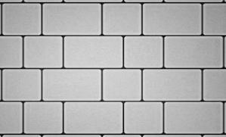
2 PC RUNNING BOND

SQUARE FEET = | 100

# LARGE RECS (C) = | 190 | 6 | 192 | 0 | 6
# SQUARES (B) = | 190 | 4 | 192 | 0 | 4

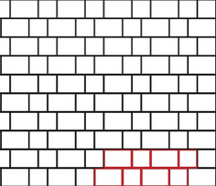
STEP RUNNING BOND

SQUARE FEET = | 100

# LARGE RECS (C) = | 159 | 5 | 160 | 0 | 5
# SQUARES (B) = | 238 | 5 | 240 | 0 | 5
OR
# X-LARGE RECS (F) = | 71 | 5 | 80 | 0 | 0
# LARGE SQUARES (D) = | 106 | 6 | 120 | 0 | 4

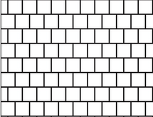
SQUARE RUNNING BOND

SQUARE FEET = | 100

# SQUARE (B) = | 476 | 10 | 480 | 1 | 0
OR
# LARGE SQUARES (D) = | 211 | 11 | 220 | 1 | 1

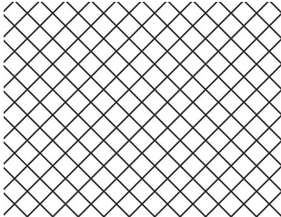
DIAMOND

SQUARE FEET = | 100

# LARGE SQUARE (D) = | 211 | 11 | 220 | 1 | 1

SMALL DIAMOND

SQUARE FEET = | 100

# SQUARE (B) = | 476 | 10 | 480 | 1 | 0

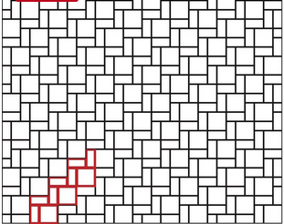
WEAVING

SQUARE FEET = | 100

# SMALL RECS (A) = | 476 | 5 | 480 | 0 | 5
# SQUARE (B) = | 238 | 5 | 240 | 0 | 5

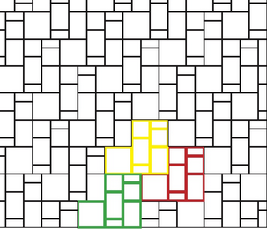
CITY CENTER

SQUARE FEET = | 100

# SMALL RECS (A) = | 115 | 2 | 192 | 0 | 2
# SQUARE (B) = | 115 | 3 | 144 | 0 | 3
# LARGE RECS (C) = | 115 | 4 | 128 | 0 | 4
# LARGE SQUARE (D) = | 58 | 3 | 60 | 0 | 3

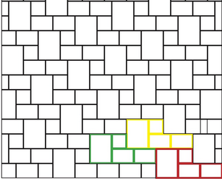
COLUMBIA VILLA

SQUARE FEET = | 100

# SQUARE (B) = | 30 | 2 | 40 | 0 | 2
# LARGE RECS (C) = | 136 | 5 | 160 | 0 | 5
# IRREG LARGE RECS (E) = | 68 | 5 | 80 | 0 | 5

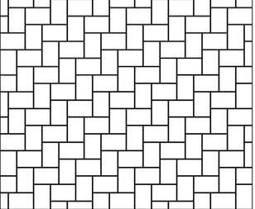
BASKET WEAVE

SQUARE FEET = | 100

# LARGE RECS (C) = | 317 | 10 | 320 | 1 | 0

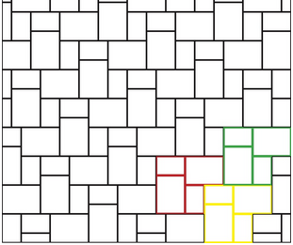
METRO BLEND

SQUARE FEET = | 100

# LARGE RECS (C) = | 105 | 4 | 128 | 0 | 4
# IRREG LARGE RECS (E) = | 106 | 7 | 112 | 0 | 7

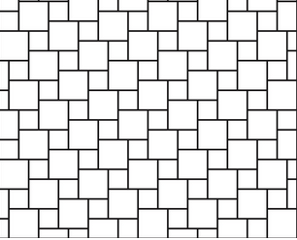
HOPSCOTCH

SQUARE FEET = | 100

# LARGE SQUARE (D) = | 106 | 6 | 120 | 0 | 6
# SQUARE (B) = | 238 | 5 | 240 | 0 | 5

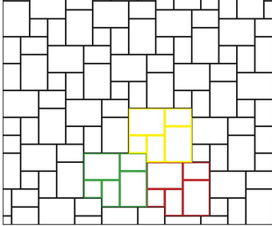
NORTHWEST BLEND

SQUARE FEET = | 100

# SQUARE (B) = | 48 | 1 | 48 | 0 | 1
# LARGE RECS (C) = | 95 | 3 | 96 | 0 | 3
# IRREG LARGE RECS (E) = | 95 | 6 | 96 | 0 | 6

