Oregon Block Pavers Calc
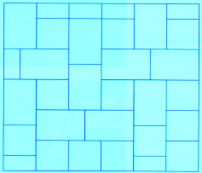
Oregon Block Pavers Calculator
PATTERN NAME |  | ORDER QUANTITY (# PCS) | # OF PALLETS | # OF LAYERS | PATTERN
MUSTER K

SQUARE FEET = | 500

# LARGE RECS (C) = | 1157 | 1157 | 3 | 6.16
# SQUARES (B) = | 643 | 643 | 1 | 3.39

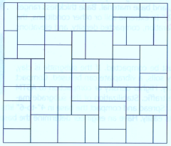
MUSTER M

SQUARE FEET = | 500

# SQUARES (B) = | 952 | 952 | 1 | 9.83
# SMALL RECS (A) = | 2856 | 2856 | 2 | 9.75

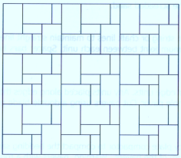
MUSTER N

SQUARE FEET = | 500

# LARGE RECS (C) = | 1268 | 1268 | 3 | 9.63
# SMALL RECS (A) = | 952 | 952 | 0 | 9.92

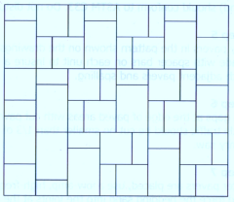
MUSTER W

SQUARE FEET = | 500

# LARGE RECS (C) = | 594 | 594 | 1 | 8.57
# SQUARES (B) = | 833 | 833 | 1 | 7.35
# SMALL RECS (A) = | 1309 | 1309 | 1 | 3.64

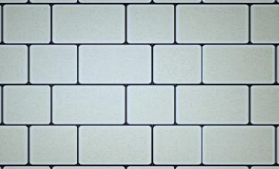
2 PC RUNNING BOND

SQUARE FEET = | 500

# LARGE RECS (C) = | 951 | 951 | 2 | 9.72
# SQUARES (B) = | 952 | 952 | 1 | 9.83

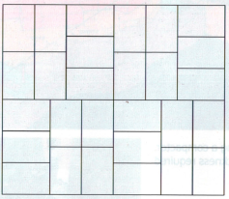
PARQUET

SQUARE FEET = | 500

# LARGE RECS (C) = | 1585 | 1585 | 4 | 9.53

